LINKAGE KIT
LINKAGE BEARING KITS

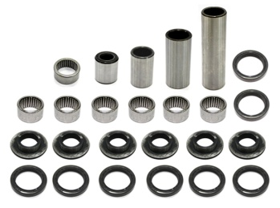
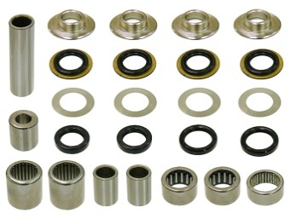
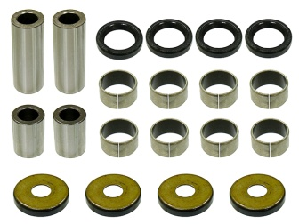
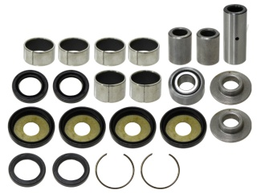

AT-04118
25PCS/KIT
AT-04119
25PCS/KIT
AT-04341
20PCS/KIT
AT-04342
22PCS/KIT

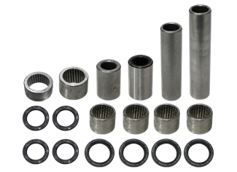
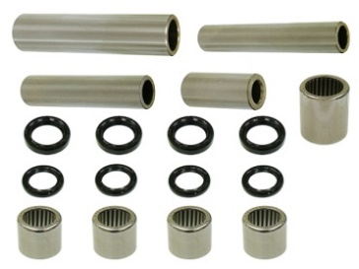
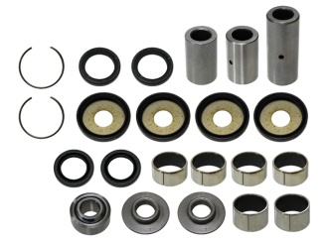
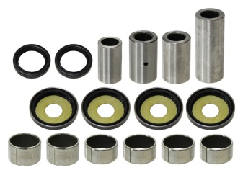

AT-04343
18PCS/KIT
AT-04345
17PCS/KIT
AT-04346
22PCS/KIT
AT-04347
16PCS/KIT

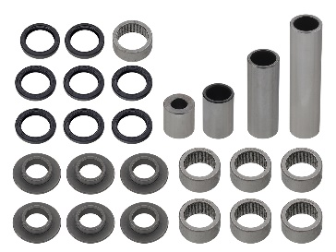
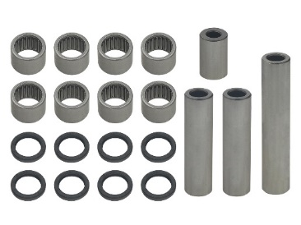
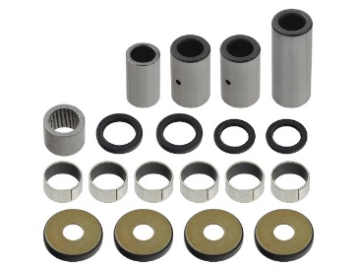

AT-04390
25PCS/KIT
AT-04392
20PCS/KIT
AT-04393
19PCS/KIT

APPLICATION | YEAR | REF # | NI #
ARCTIC CAT
400DVX | 2004-08 | 27-1093 | AT-04118

CAN AM
DS 450 | 2010-15 | 27-1173 | AT-04392
DS 450 EFI MXC | 2009-12 | 27-1173 | AT-04392
DS 450 EFI XXC | 2009-12 | 27-1173 | AT-04392
DS 450 STD/X | 2008-09 | 27-1173 | AT-04392
DS 450 XMX/ XXC | 2015 | 27-1173 | AT-04392

KAWASAKI
KFX400 | 2003-06 | 27-1093 | AT-04118

SUZUKI
LT-Z400 | 2003-08 | 27-1093 | AT-04118
LT-Z400 | 2009-14 | 27-1174 | AT-04390
LT-R450 | 2006-11 | 27-1150 | AT-04119

YAMAHA
YFM350 RAPTOR | 2004-13 | 27-1141 | AT-04341
YFM350 WARRIOR | 1987-04 | 27-1002 | AT-04342
YFZ350 BANSHEE | 1987-09 | 27-1002 | AT-04342
YFZ450 | 2004-13 | 27-1116 / 27-1139 | AT-04343
YFZ450R | 2009-22 | 27-1175 | AT-04345
YFZ450X | 2010-11 | 27-1175 | AT-04345
YFM660R RAPTOR | 2001-05 | 27-1096 | AT-04346
YFM700R RAPTOR | 2006-14 | 27-1140 | AT-04347
RAPTOR 700R | 2015-22 | 27-1184 | AT-04393

LINKAGE BEARING KITS

SWINGARM NUT
SWINGARM CAP

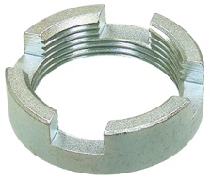

AT-04850
OEM# 90355-469-000
I.D.:30MM, O.D.:37.6MM, H:11/ 5.7MM
AT-04026
OEM# 52144-356-005 / 52144-965-005
INNER HOLE: 30 X 8.5.14.17MM

APPLICATION | YEAR | APPLICATION | YEAR
HONDA |  | HONDA
ATC250SX ALL TERRAIN CYCLE | 1985-87 | ATC 200 X | 1983-87
TRX250 FOURTRAX 250 | 1985-87
TRX250 FOURTRAX RECON | 1999-01
TRX250 RECON | 1997-98
TRX250E/X SPORTRAX | 2001-14
TRX250TE/TM RECON | 2002-14
TRX300 | 1990-00
TRX300 FOURTRAX | 1988-89
TRX300 FOURTRAX | 1996/99
TRX300FW FOURTRAX 4X4 | 1988-00
TRX350 FOURTRAX 4X4 | 1986-89
AT-04029
OEM# 61262-22A00 / 61262-22A01
INNER HOLE: 33.92 X 40.12 X 8,15.34MM
TRX350FE 4X4 | 2000-06
TRX350FM 4X4 | 2000-06
TRX350TE | 2000-06
TRX350TM | 2000-06
TRX400FA RANCHER AT | 2004-07 | APPLICATION | YEAR
TRX400FGA RANCHER AT GPS | 2004-07 | SUZUKI
TRX400FW 4X4 | 1995-03 | LT230 S F-J | 1985-88
TRX450ES 4X4 | 1998-01 | LT230 E H-P | 1987-93
TRX450FE/FM FOREMAN ES | 2002 | LT250 S K/L | 1988-90
TRX450S 4X4 | 1998-01
TRX500FA FOURTRAX FOREMAN RUBICON | 2001-14

TRX500FE FOURTRAX FOREMAN | 2005-11
TRX500FGA FOREMAN RUBICON | 2004-08
TRX500FM FOURTRAX FOREMAN | 2005-11
TRX500FPA/FPE FOURTRAX FOREMAN RUBICON | 2009-14

TRX500FPM FOURTRAX FOREMAN | 2009-11
TRX500TM FOREMAN | 2005-06
AT-04027
OEM# 52144-GE2-003 / 52144-GE2-005
INNER HOLE: 30 X 8.5.14.17MM

 |  | APPLICATION | YEAR
 |  | HONDA
 |  | TRX90 | 1993-21
 |  | TRX200 FOURTRAX | 1990-91
 |  | TRX200D FOURTRAX | 1991-97
 |  | TRX200SX FOURTRAS 200SX | 1986-88

